Sheet1
Product Images | Product Names | Product Observed | Product Frames Obtained
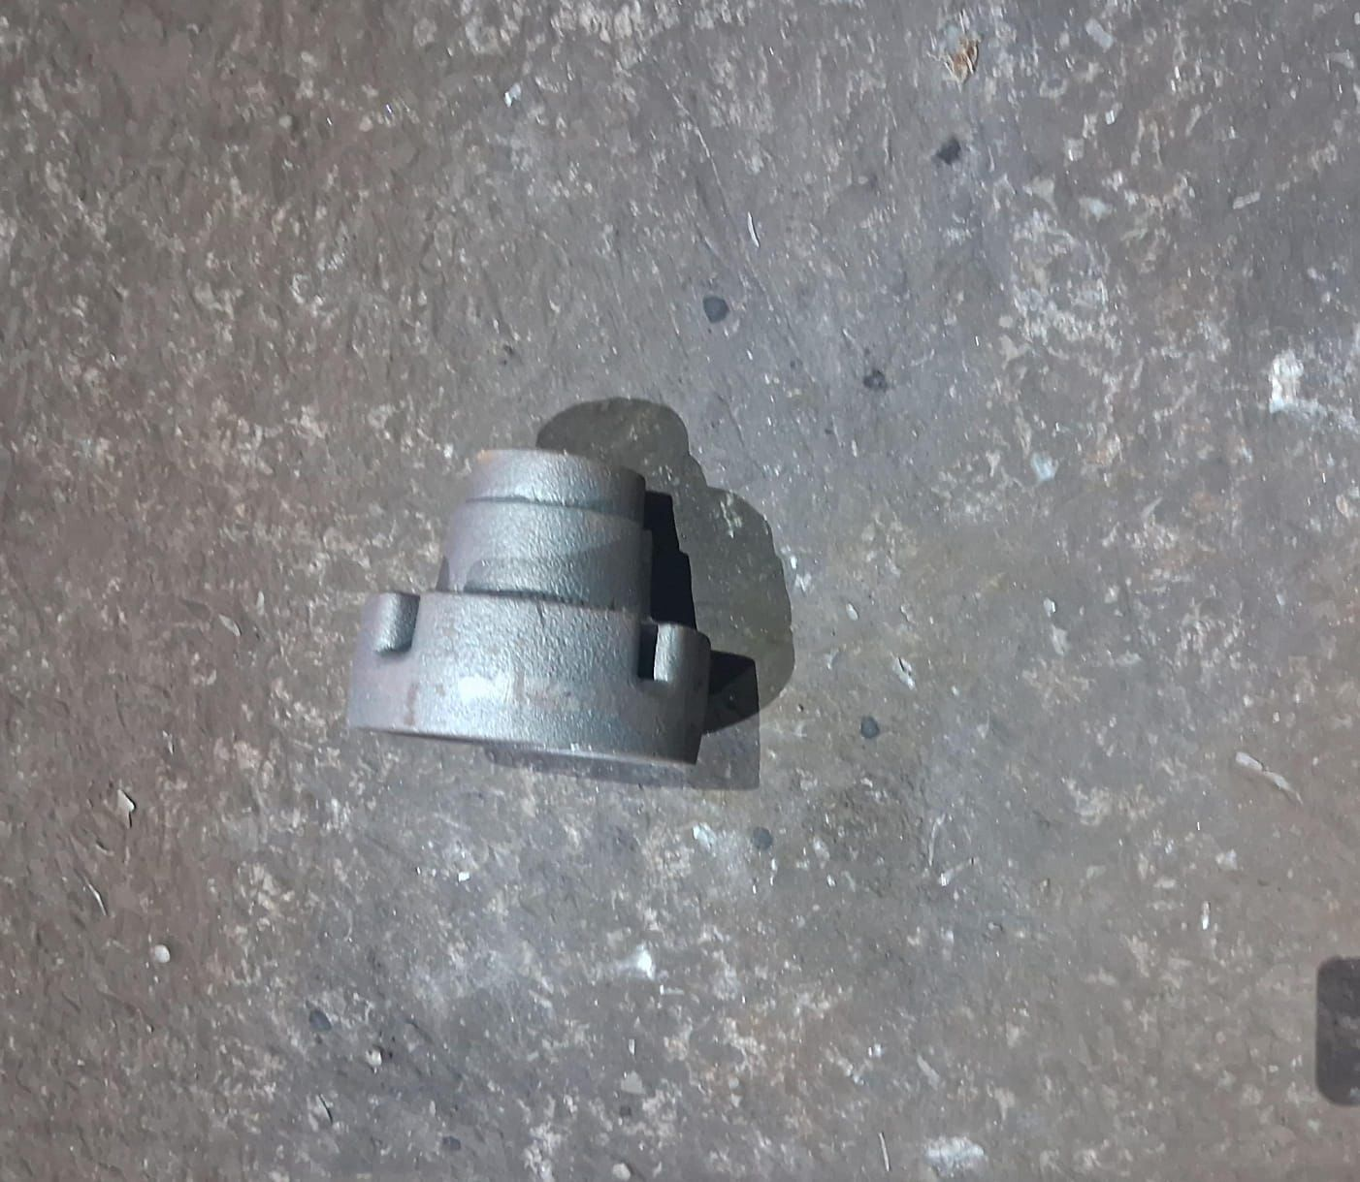 | DIFF COVER | YES | 7000 + | Note: 1. Bell Cranks observed in groups of 4 at all times regardless of the camera being used for observation
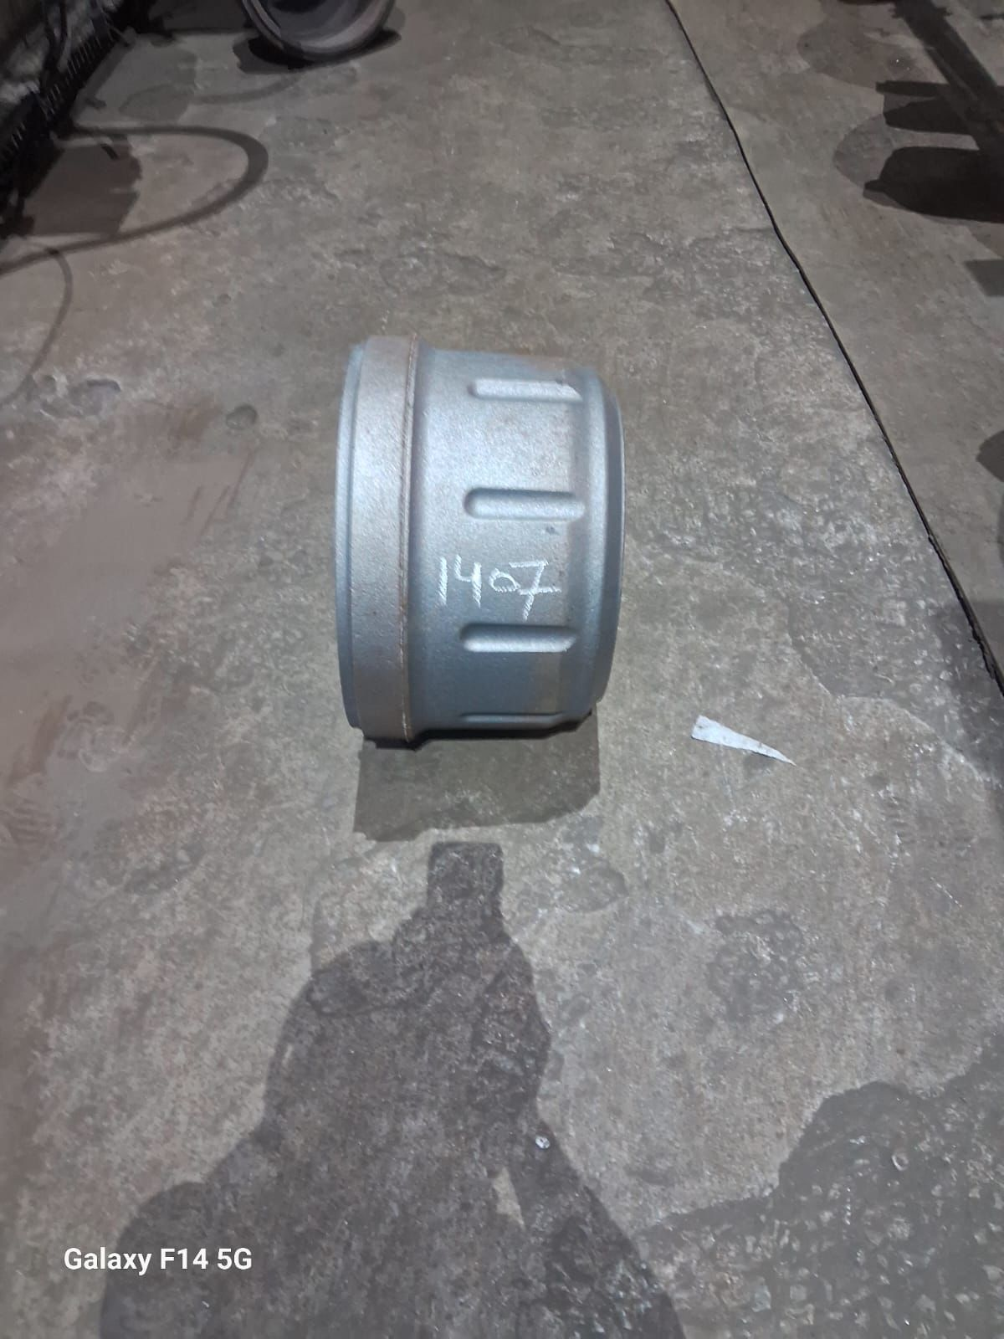 | EICHER BRAKE DRUM 1407 | YES | 3000+
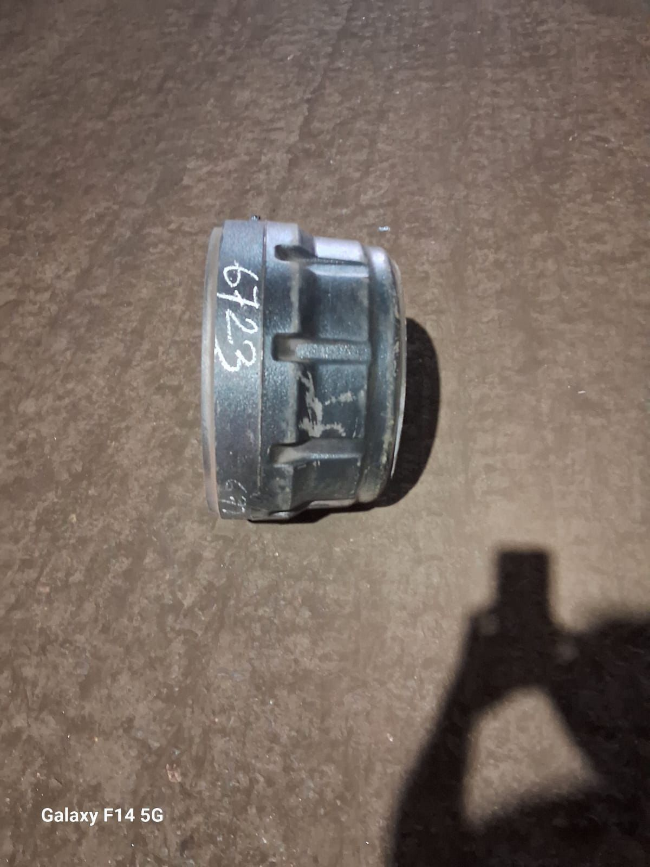 | EICHER BRAKE DRUM 6723 | YES (To be confirmed against 7301)
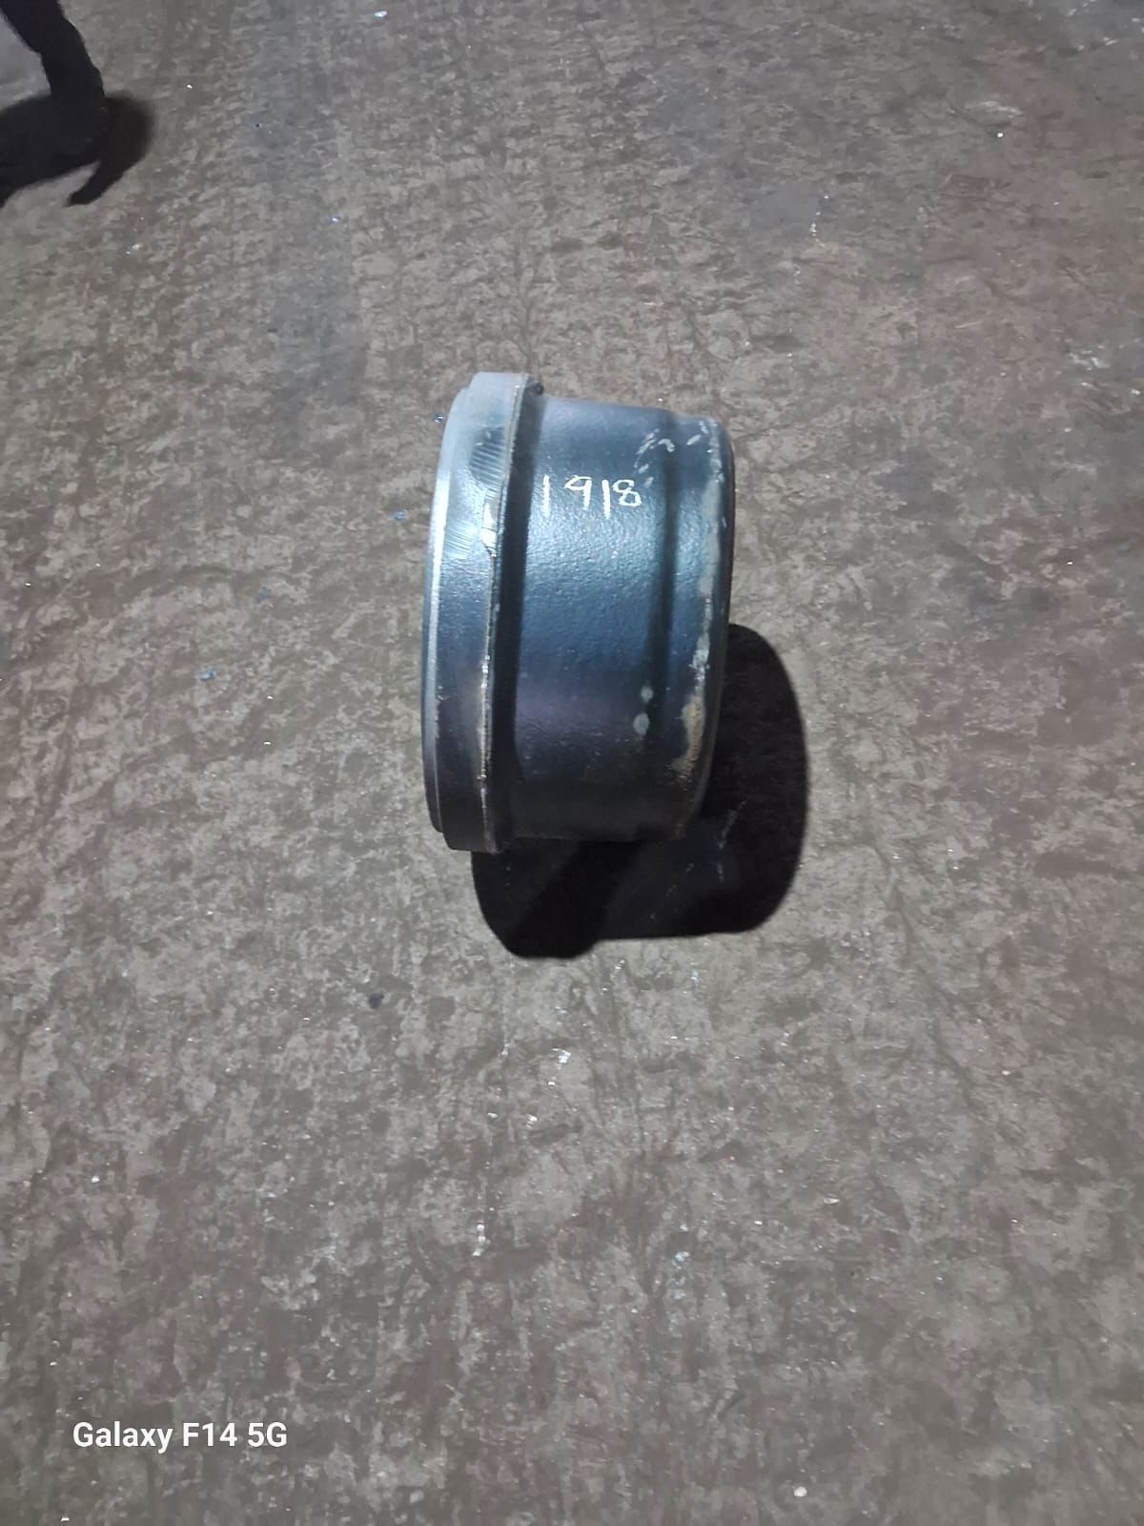 | BRAKEDRUM 1918 | YES (To be confirmed against 3711)
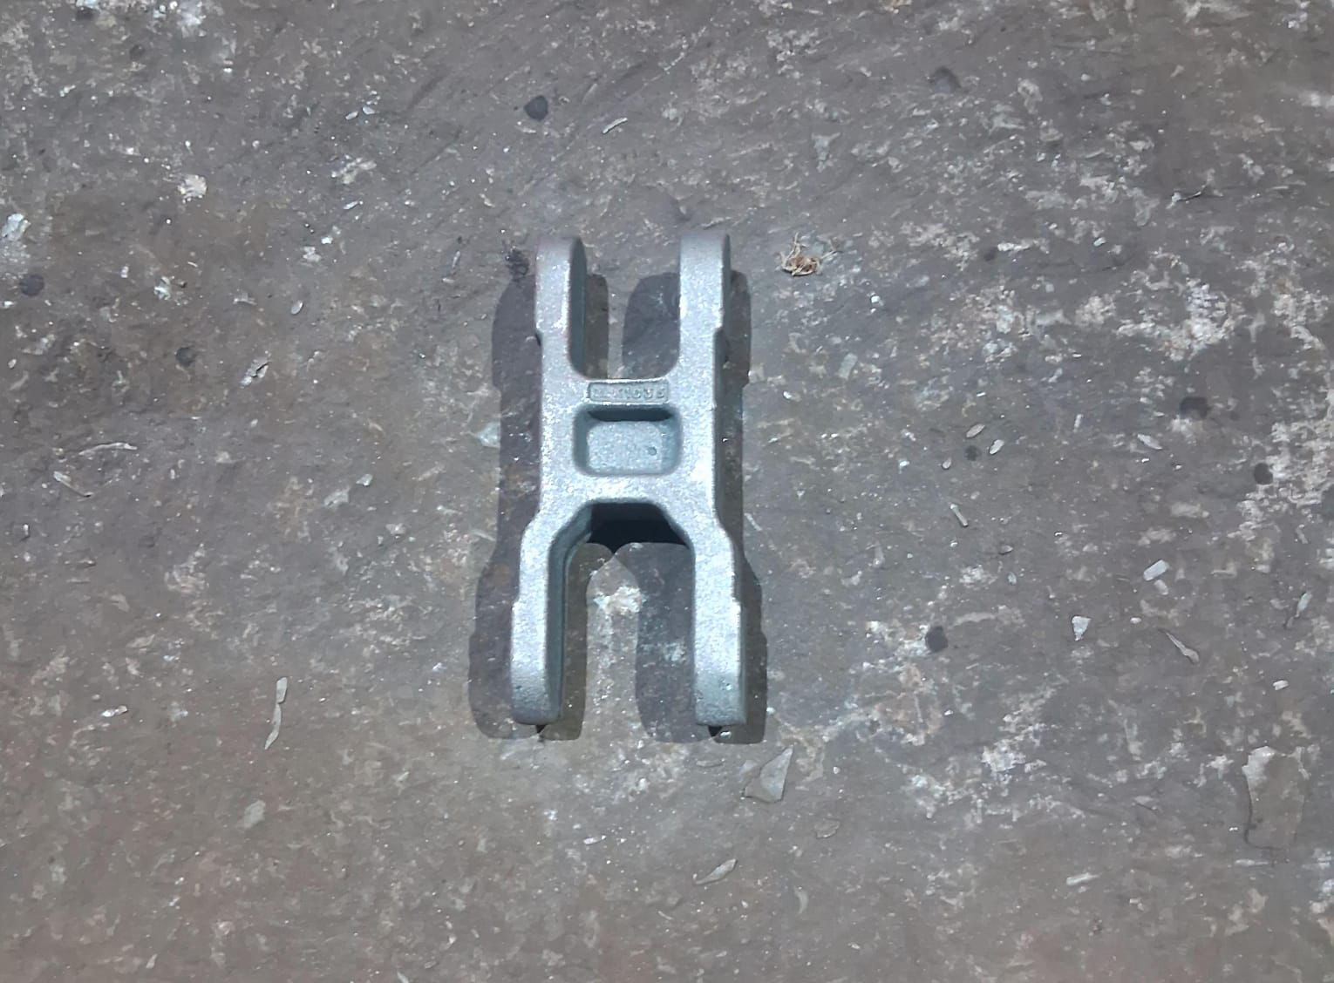 | BELL CRANK | YES | 8000+
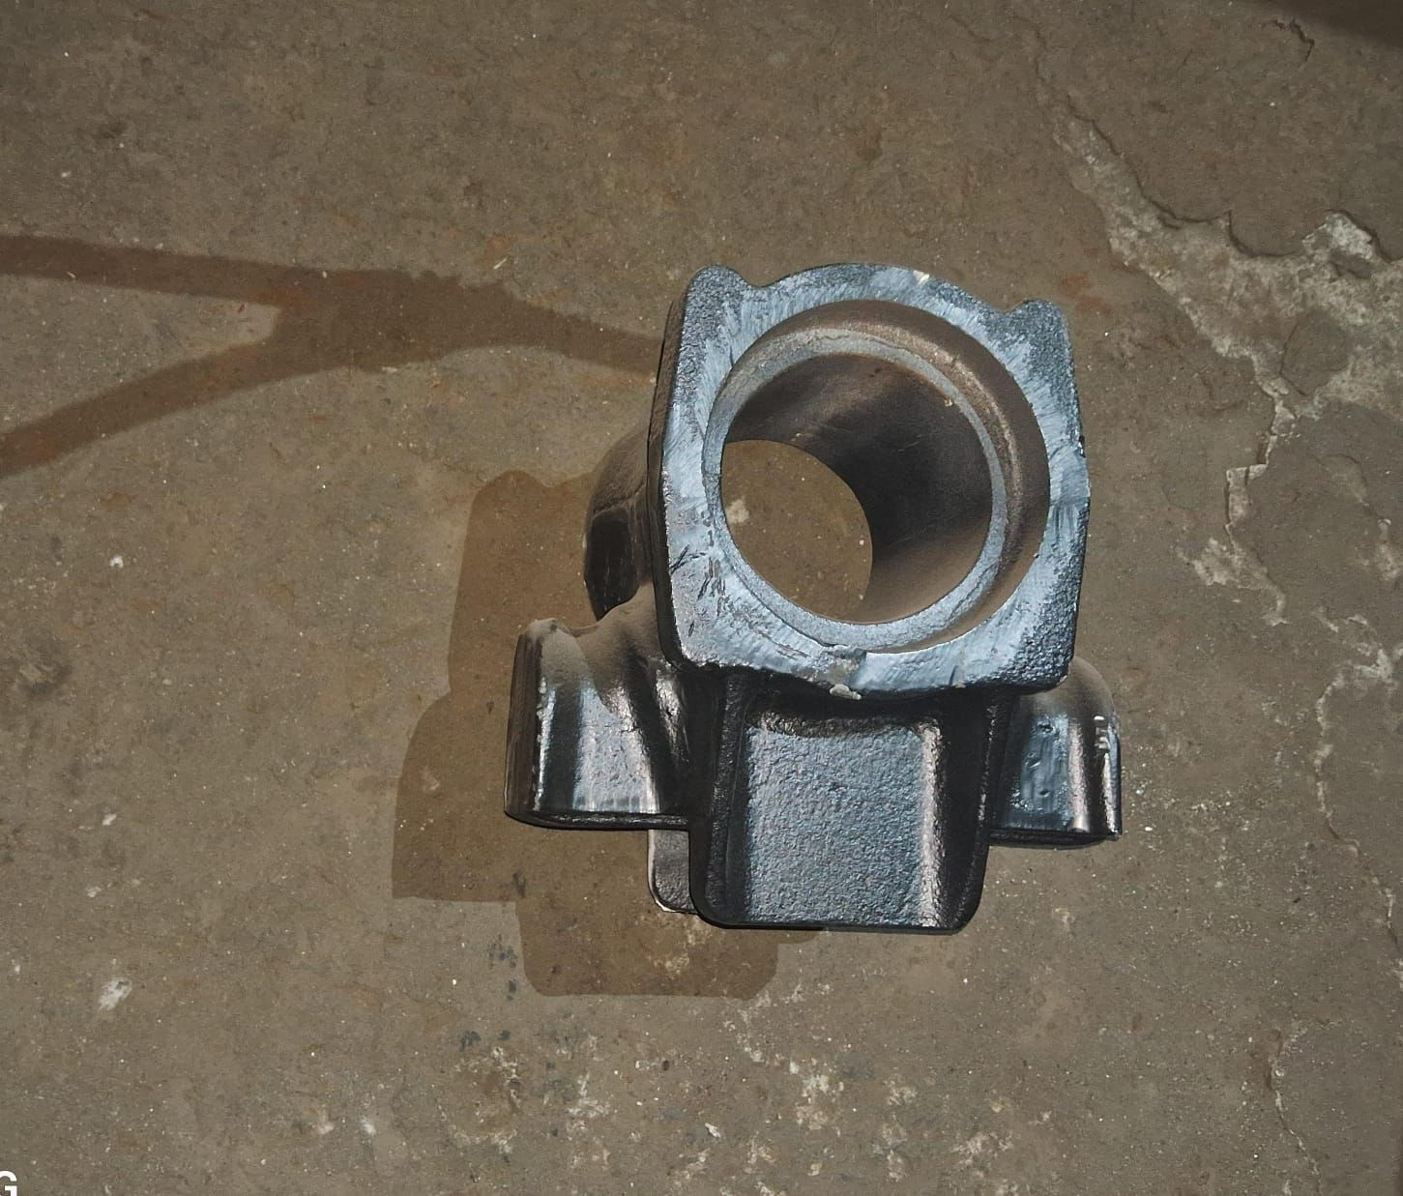 | SUSPENSION PIVOT | YES | 8000+
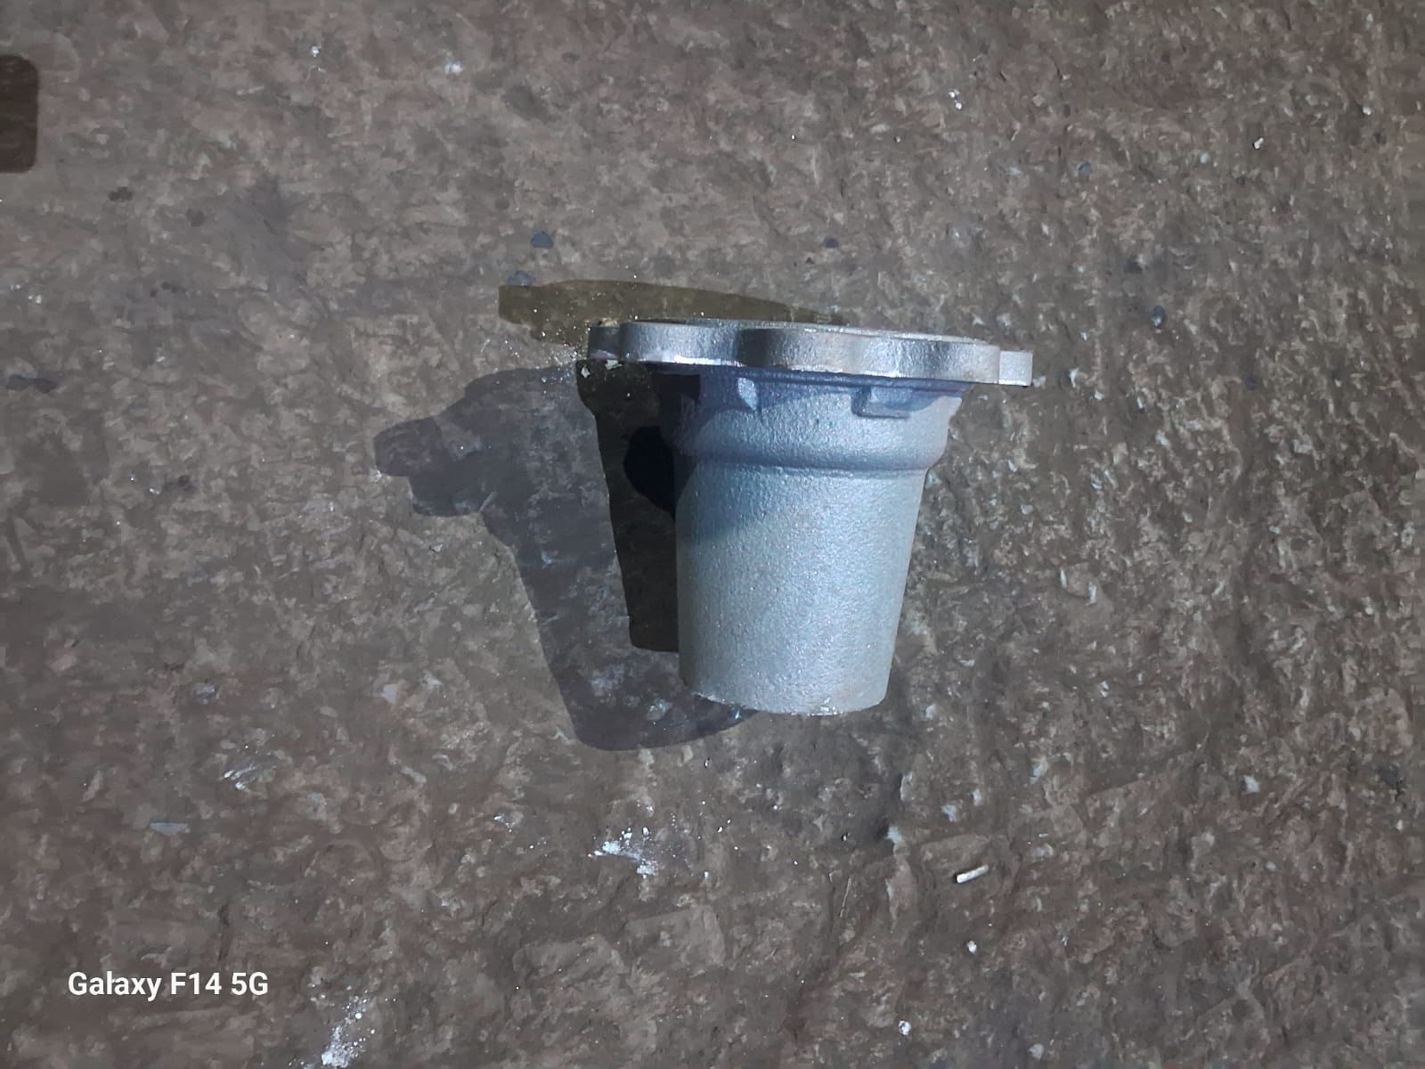 | SD HUB | YES | 188
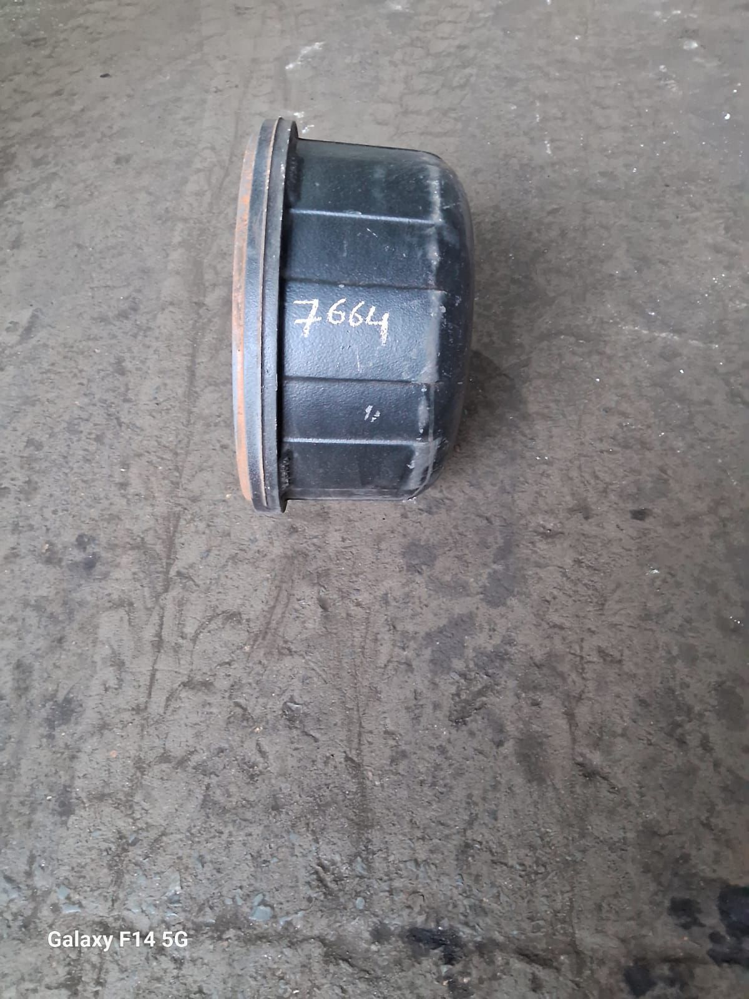 | EICHER BRAKE DRUM 7664 | NO | NA
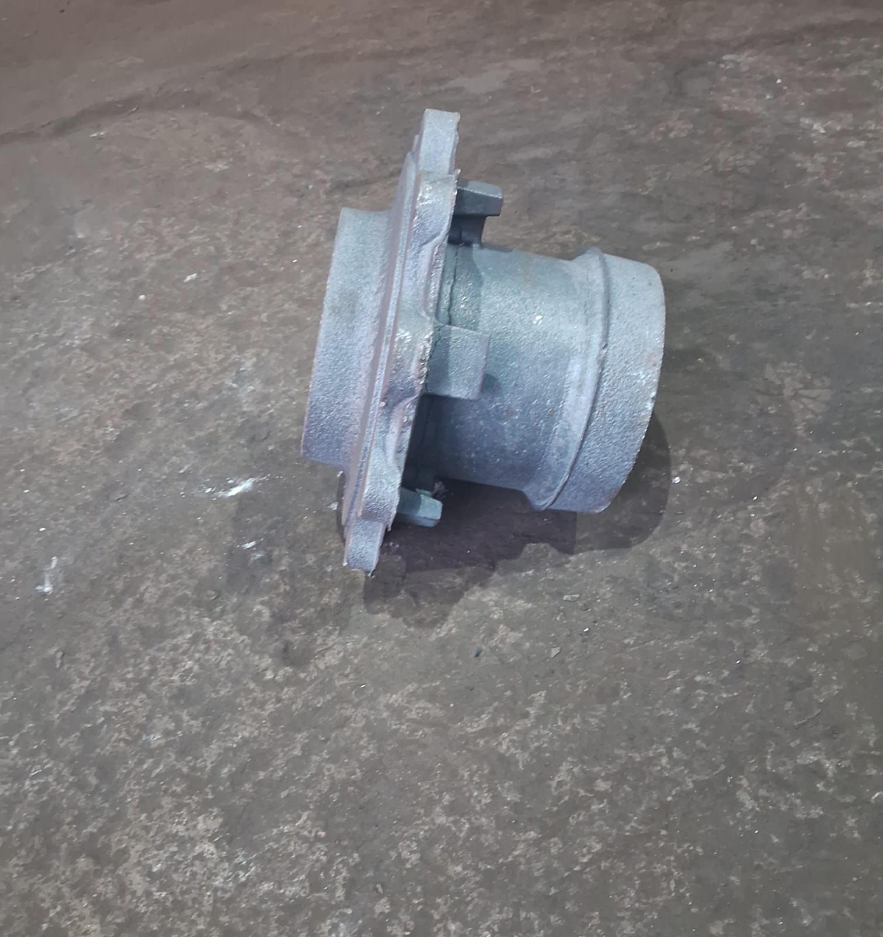 | RH AXLE | NO | NA
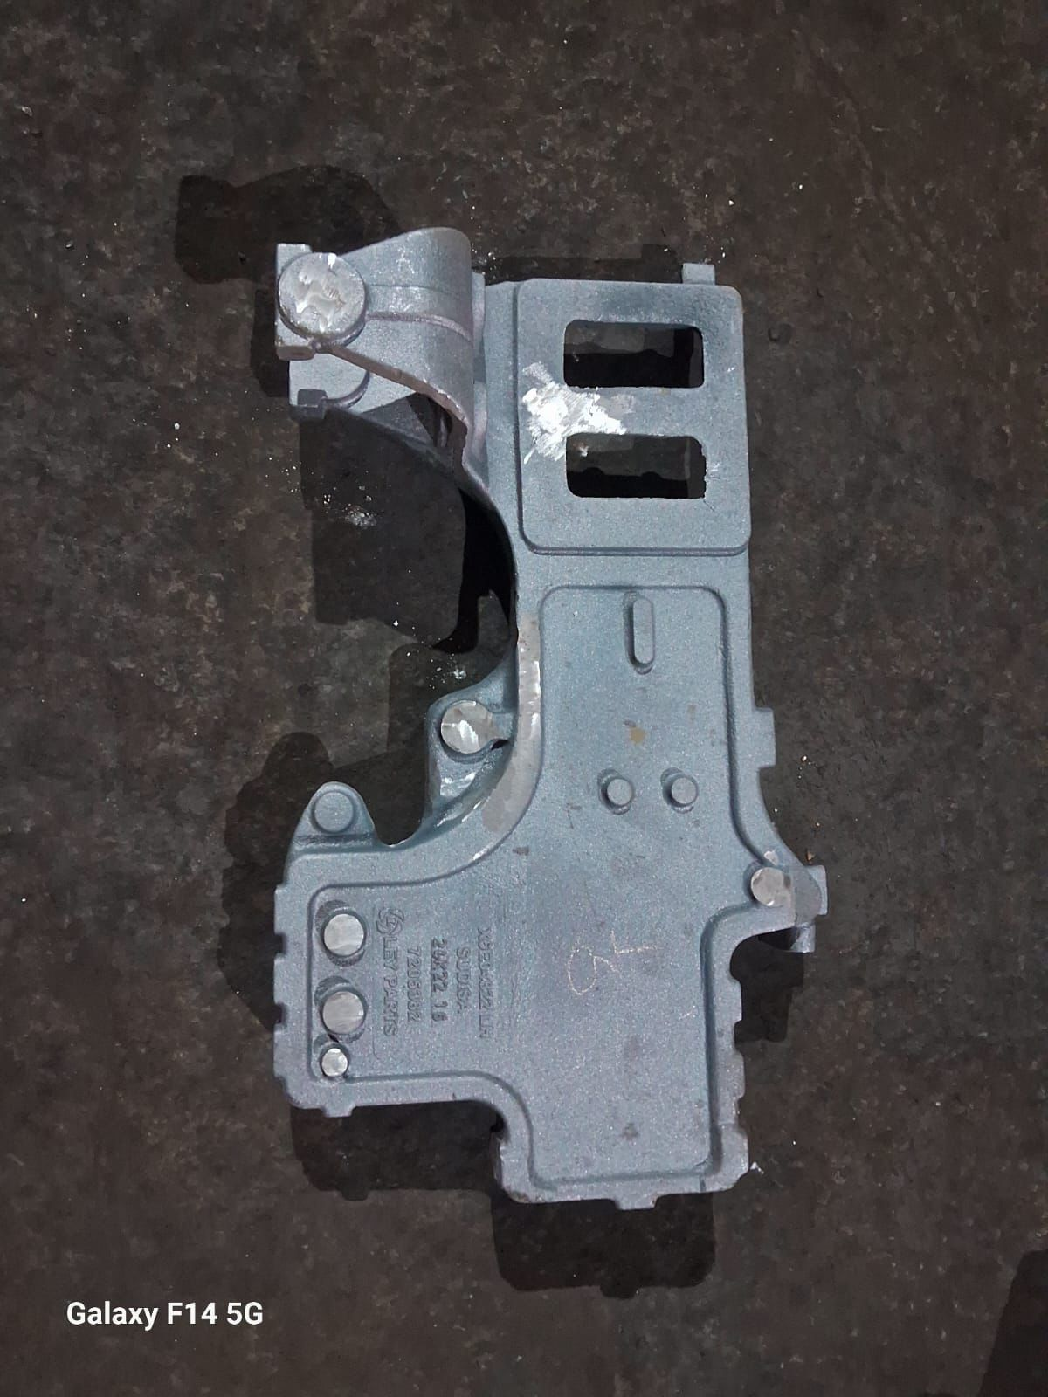 | ECONODO LH | YES | 1804
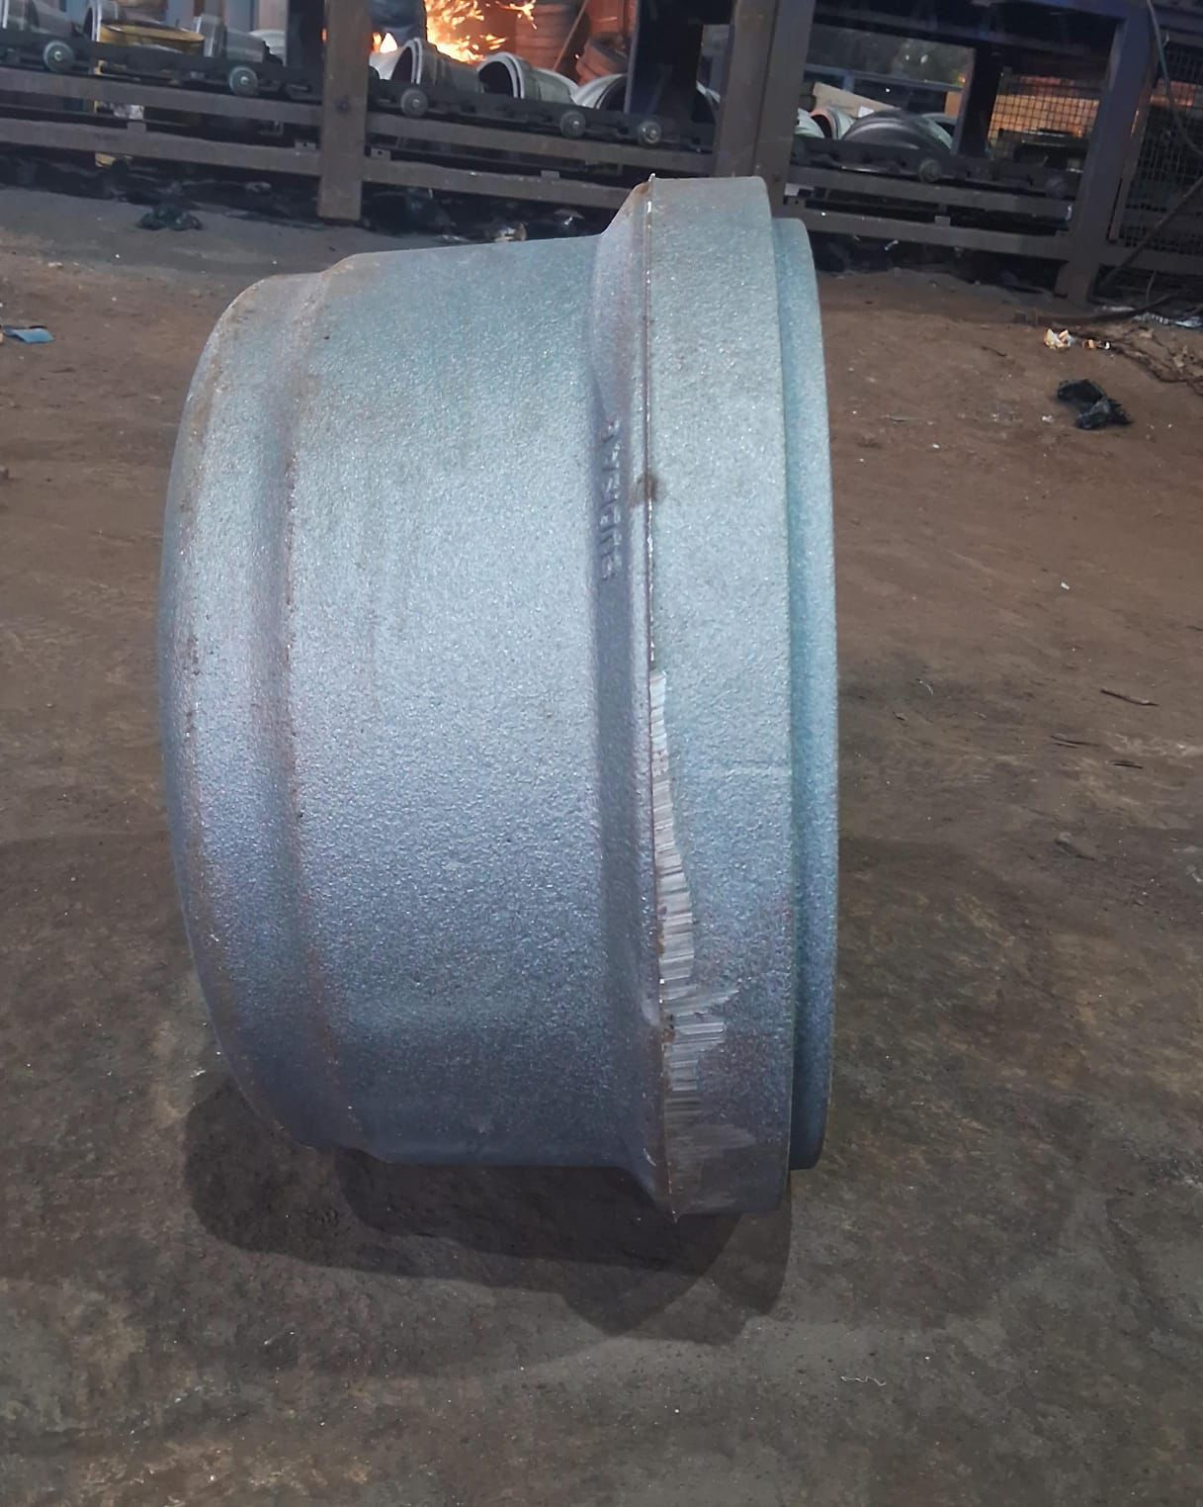 | BRAKEDRUM 3711 | YES (To be confirmed against 1918) | 7000+
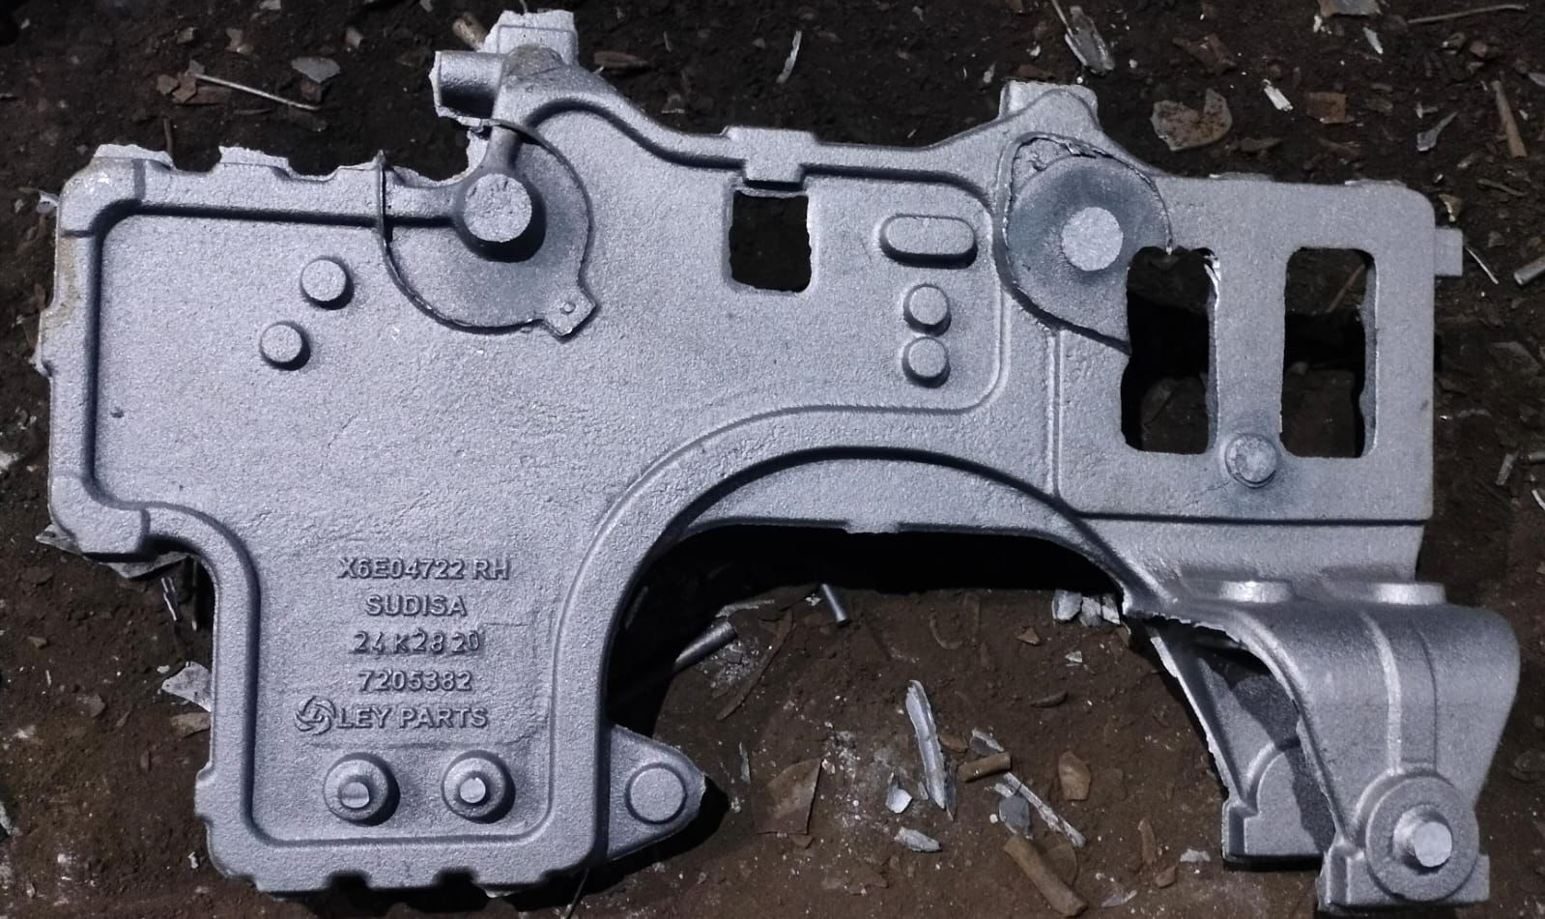 | ECONODO RH | YES | 3412
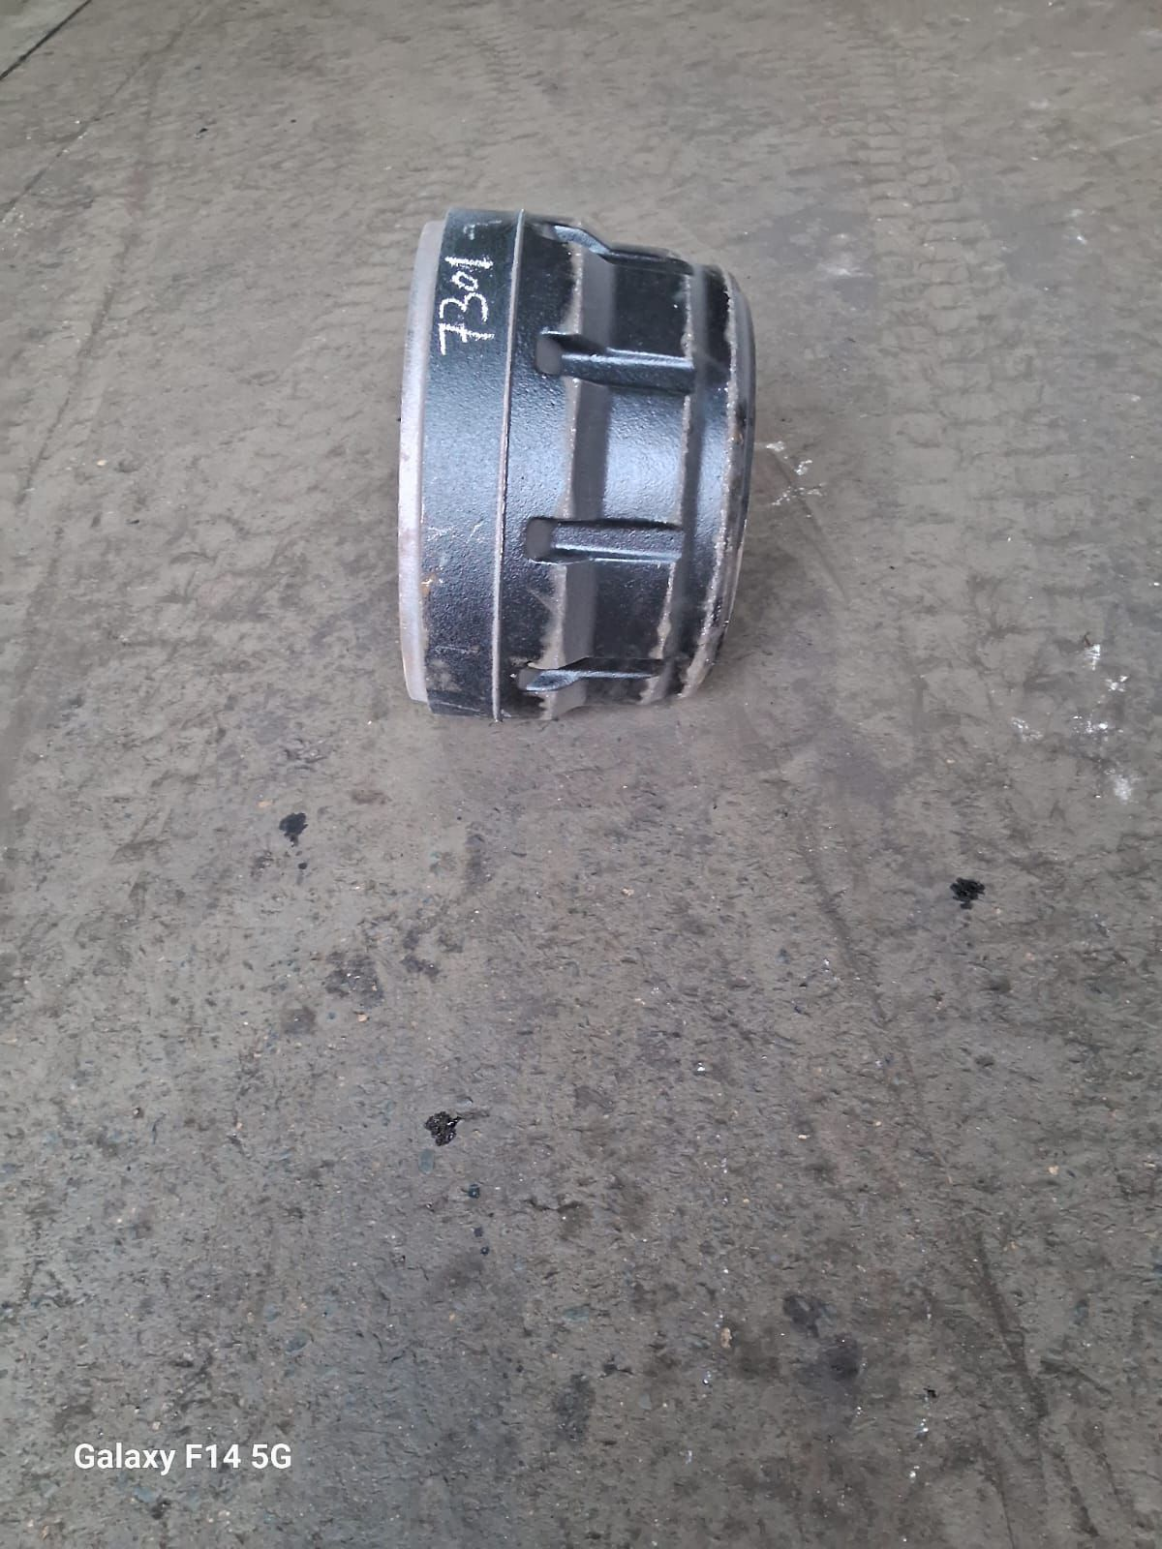 | EICHER BRAKE DRUM 7301 | YES (To be confirmed against 6723)
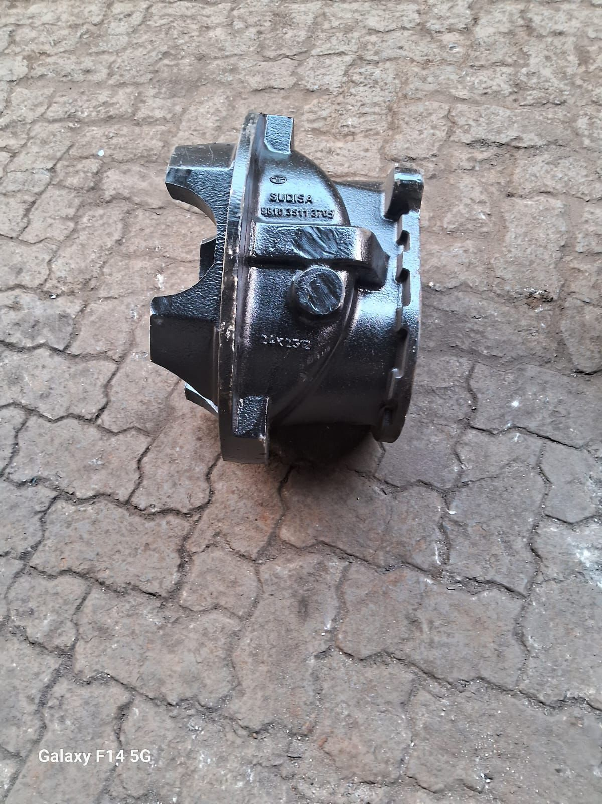 | CARRIER HOUSING 3705 | YES | 629
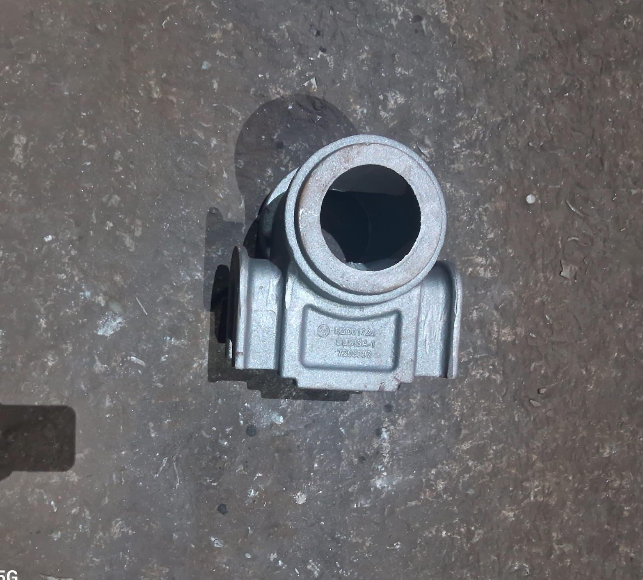 | SPRING TRUNION | NO | NA

